Sheet1
Textures Used

Material Created

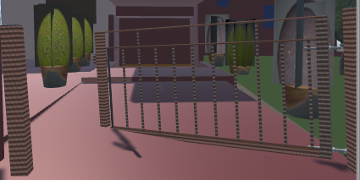
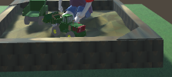

3D Image

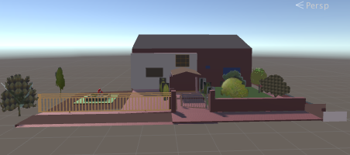

 | (Lower roof | (Front wall | (Plant base) | Tree | (Truck Tyres) | Tree stem | Fence | Truck | Grass & | Windows | Sand in the | Window | Gate | House Building |  | Tree | Roof | Sandbox | Boy's t-shirt | Truck | Truck body | House | Plant | Sanbox
 | of the house) | of the house) |  |  |  |  |  | exhausters | Trees |  | lawn of the |  |  |  | Trees & |  |  | Soil |  | headlights |  | Entrance
 |  |  |  |  |  |  |  |  |  |  | house |  |  |  | Plants

